startorder
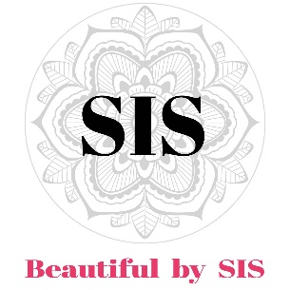
 |  |  |  | PRIJSLIJST
 |  |  |  | Beautiful by SIS
 |  |  |  | BODY & LIFESTYLE LIJN
 |  |  |  | JANUARI 2021

Art.nr. | Productnaam |  | Inhoud | Prijs

 | PINK-line
sis1010 | Hand & Body Wash |  | 200ml | € 21.50
sis1011 | Hand & Body Lotion |  | 200ml | € 21.50
sis1012 | Diffuser |  | 200ml | € 29.95
sis1013 | Diffuser refill |  | 200ml | € 22.50
sis1014 | Home Spray |  | 200ml | € 14.99
 | GREEN-line
sis1020 | Hand & Body Wash |  | 200ml | € 21.50
sis1021 | Hand & Body Lotion |  | 200ml | € 21.50
sis1022 | Diffuser |  | 200ml | € 29.95
sis1023 | Diffuser refill |  | 200ml | € 22.50
sis1024 | Home Spray |  | 200ml | € 14.99
 | TRAVEL SIZES | GIFT - MINI - VAKANTIE
sis1030 | Hand&Body Wash | PINK | 50ml | € 7.95
sis1031 | Hand&Body Lotion | PINK | 50ml | € 7.95
sis1032 | Home Spray | PINK | 50ml | € 4.99
sis1033 | Hand&Body Wash | GREEN | 50ml | € 7.95
sis1034 | Hand&Body Lotion | GREEN | 50ml | € 7.95
sis1035 | Home Spray | GREEN | 50ml | € 4.99
 | BEAUTIFUL FACE
sis1050 | Beautiful Face Oil |  | 30ml | € 39.95

